Sheet1
Testcase ID | Testcase Description | Feature | Test steps | Test data | Expected results | Actual results
 |  |  | https://www.saucedemo.com/
TC_01 | Verify the Swag Labs functionaility | End to end process |  | S
 |  |  | 1.User enter the valid username | standard_user | User should be able enter the username | User able enter the username
 |  |  | 2.User enter the valid Password | secret_sauce | User should be able enter the password | User able enter the password
 |  |  | 3.User click on login login button |  | User sholud able to click on login button and navigate to Product Page | User able to view Product Page
 |  |  | 4, User select the Sauce Labs Backpack and click on Add to cart |  | User should able to view Sauce Labs Backpack and click on Add to cart | User able to view Sauce Labs Backpack and click on Add to cart
 |  |  | 5.User select the add to cart icon |  | User should be able to click on add to cart icon | User able to click on add to cart icon
 |  |  | 6. User validates the product and Qty is displayed and click on check outoption button |  | User sholud be able to view the product and Qty is displayed and click on check outoption button | User able to view the product and Qty is displayed and click on check outoption button
 |  |  | 7.User enter the Firstname, Lastname and Zipcode and click on continue button | Supraja, Anumandla, 505326 | User should be able to enter Firstname, Lastname and Zipcode | User able to enter Firstname, Lastname and Zipcode
 |  |  | 8.User validates product info and click on finish button |  | .User should be able to view the product info and click on finish button | User able to view the product info and click on finish button
 |  |  | 9.User view the "Thank you for your order" |  | User should be able to view the "Thank you for your order" | User able to view the "Thank you for your order"

Jira link | https://anumandlasupraja.atlassian.net/projects/SCRUM?selectedItem=com.atlassian.plugins.atlassian-connect-plugin:com.thed.zephyr.je__main-project-page#!/v2/testCycles

Accepted username in website: | standard_user | Password: secret_sauce

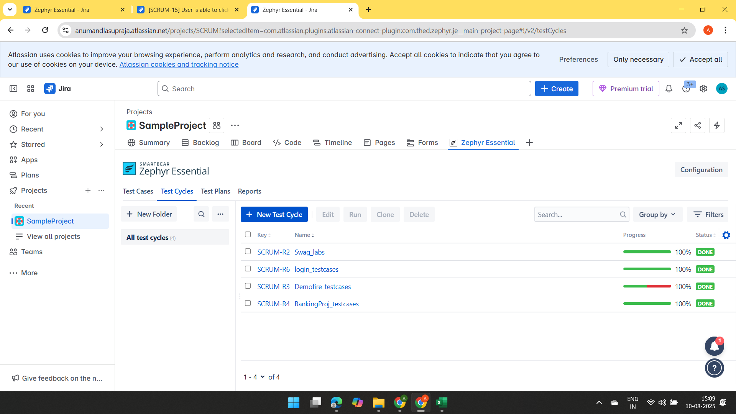
Testcycles | Swag_labs

